Total Exports
CARICOM MERCHANDISE TRADE EXPORTS BY SELECTED TRADING PARTNERS, 2000—2024
This table presents CARICOM's annual merchandise trade with its principal trading partners from 2000 to 2024. "European Union" refers to trade with EU Member States, while "CARICOM (Intra-regional)" represents trade among CSME. "Rest of World" includes all trading partners not listed separately. Data are compiled from official trade statistics and may be subject to revisions by the reporting agencies.
Source: Regional Statistics Programme, compiled from Member States’ trade data.
Updated: 21 July 2026
European Union is largest named export destination in 2024
Trade Exports by Selected Partners ($US Millions)
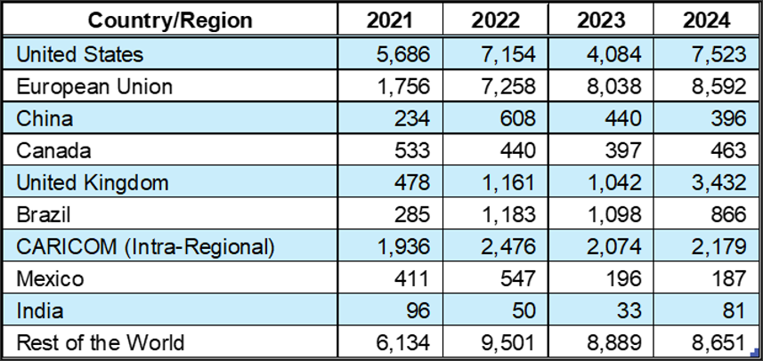

Year | Value of Total Exports ($'Mn) | United States | European Union | China | Canada | United Kingdom | Brazil | CARICOM (Intra-Regional) | Mexico | India | Rest of the World | Footnotes
2000 | 7,382 | 2,858 | 1,291 | 9 | 338 | 503 | 43 | 1,344 | 83 | 1 | 1,413
2001 | 7,134 | 2,613 | 1,007 | 40 | 441 | 458 | 15 | 1,383 | 50 | 2 | 1,582 | excludes data for Antigua and Barbuda which are not available
2002 | 5,983 | 2,235 | 995 | 50 | 384 | 402 | 16 | 1,114 | 57 | 6 | 1,127 | excludes data for Antigua and Barbuda which are not available
2003 | 8,231 | 3,593 | 1,046 | 112 | 399 | 402 | 32 | 1,490 | 70 | 29 | 1,460 | excludes data for Antigua and Barbuda which are not available
2004 | 10,064 | 5,220 | 1,223 | 175 | 533 | 452 | 40 | 1,338 | 148 | 23 | 1,366 | excludes data for Antigua and Barbuda which are not available
2005 | 13,632 | 6,406 | 1,241 | 122 | 637 | 482 | 107 | 2,605 | 139 | 12 | 2,364
2006 | 19,155 | 9,198 | 2,602 | 327 | 826 | 565 | 120 | 3,120 | 239 | 15 | 2,709
2007 | 19,330 | 9,436 | 2,917 | 114 | 868 | 732 | 109 | 2,543 | 227 | 86 | 3,030
2008 | 24,860 | 9,830 | 3,899 | 44 | 1,089 | 839 | 186 | 4,172 | 611 | 95 | 4,934
2009 | 13,884 | 6,066 | 2,249 | 105 | 856 | 807 | 52 | 2,142 | 118 | 103 | 2,193
2010 | 16,397 | 6,489 | 1,745 | 61 | 1,287 | 498 | 215 | 2,876 | 85 | 33 | 3,607 | excludes data for Montserrat which are not available
2011 | 21,234 | 8,831 | 3,060 | 128 | 1,346 | 671 | 303 | 2,955 | 105 | 57 | 4,450 | excludes data for Montserrat which are not available
2012 | 18,917 | 7,584 | 2,476 | 66 | 858 | 570 | 236 | 2,405 | 138 | 16 | 5,137
2013 | 22,981 | 7,815 | 2,606 | 80 | 940 | 471 | 694 | 3,631 | 96 | 37 | 7,083
2014 | 20,191 | 7,540 | 2,294 | 167 | 768 | 496 | 716 | 2,736 | 242 | 13 | 5,716 | excludes data for Dominica which are not available
2015 | 16,121 | 5,261 | 2,095 | 184 | 717 | 486 | 274 | 1,741 | 144 | 35 | 5,670 | excludes data for Dominica which are not available
2016 | 12,549 | 4,055 | 1,644 | 131 | 824 | 366 | 369 | 1,539 | 113 | 79 | 3,796
2017 | 14,026 | 4,241 | 1,857 | 180 | 789 | 334 | 198 | 1,990 | 155 | 37 | 4,578
2018 | 16,947 | 3,507 | 2,121 | 230 | 870 | 293 | 211 | 2,380 | 974 | 59 | 6,596
2019 | 13,469 | 3,601 | 2,079 | 280 | 826 | 288 | 115 | 1,825 | 274 | 18 | 4,451
2020 | 12,314 | 3,680 | 1,181 | 336 | 697 | 338 | 251 | 1,803 | 149 | 45 | 3,833
2021 | 17,549 | 5,686 | 1,756 | 234 | 533 | 478 | 285 | 1,936 | 411 | 96 | 6,134
2022 | 30,378 | 7,154 | 7,258 | 608 | 440 | 1,161 | 1,183 | 2,476 | 547 | 50 | 9,501
2023 | 26,291 | 4,084 | 8,038 | 440 | 397 | 1,042 | 1,098 | 2,074 | 196 | 33 | 8,889
2024 | 32,370 | 7,523 | 8,592 | 396 | 463 | 3,432 | 866 | 2,179 | 187 | 81 | 8,651

