Total Imports
CARICOM MERCHANDISE TRADE IMPORTS BY SELECTED TRADING PARTNERS, 2000—2024
This table presents CARICOM's annual merchandise trade with its principal trading partners from 2000 to 2024. "European Union" refers to trade with EU Member States, while "CARICOM (Intra-regional)" represents trade among CSME. "Rest of World" includes all trading partners not listed separately. Data are compiled from official trade statistics and may be subject to revisions by the reporting agencies.
Source: Regional Statistics Programme, compiled from Member States’ trade data.
Updated: 14 July 2026
United States Remains the Largest Import Partner (2021-2024)
Trade Imports by Main Trading Partners ($US Millions)
 |  |  |  |  |  |  |  |  |  |  | 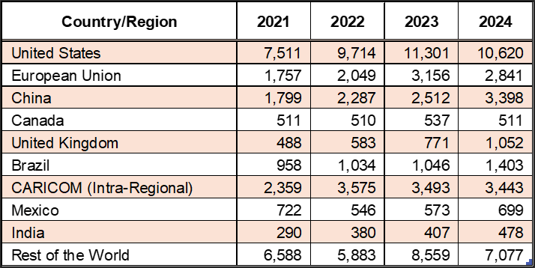

Year | Value of Total Imports ($'Mn) | United States | European Union | China | Canada | United Kingdom | Brazil | CARICOM (Intra-Regional) | Mexico | India | Rest of the World | Footnotes
2000-12-31 | 10,708 | 4,279 | 1,288 | 158 | 321 | 484 | 191 | 1,280 | 261 | 28 | 2,901
2001-12-31 | 10,581 | 4,242 | 1,543 | 200 | 296 | 493 | 308 | 1,225 | 239 | 31 | 2,497 | excludes data for Antigua and Barbuda. Data are not available
2002-12-31 | 10,203 | 3,958 | 1,470 | 205 | 316 | 425 | 309 | 1,099 | 206 | 34 | 2,605 | excludes data for Antigua and Barbuda. Data are not available
2003-12-31 | 11,618 | 4,225 | 1,750 | 275 | 329 | 517 | 498 | 1,490 | 206 | 46 | 2,799 | excludes data for Antigua and Barbuda. Data are not available
2004-12-31 | 13,272 | 4,743 | 2,077 | 368 | 328 | 600 | 736 | 1,676 | 248 | 66 | 3,030 | excludes data for Antigua and Barbuda. Data are not available
2005-12-31 | 16,657 | 5,828 | 1,839 | 493 | 364 | 617 | 1,054 | 2,313 | 244 | 97 | 4,425
2006-12-31 | 18,030 | 5,844 | 2,014 | 674 | 416 | 588 | 1,155 | 2,272 | 245 | 106 | 5,304
2007-12-31 | 21,218 | 7,116 | 2,287 | 875 | 622 | 671 | 1,226 | 2,587 | 271 | 108 | 6,126
2008-12-31 | 25,628 | 8,125 | 2,660 | 1,160 | 537 | 614 | 1,456 | 3,498 | 487 | 127 | 7,577
2009-12-31 | 18,857 | 6,356 | 2,081 | 893 | 431 | 511 | 583 | 2,320 | 364 | 223 | 5,605
2010-12-31 | 18,997 | 6,027 | 1,790 | 1,027 | 446 | 474 | 788 | 2,804 | 317 | 212 | 5,586
2011-12-31 | 24,370 | 7,310 | 2,051 | 1,190 | 617 | 496 | 1,062 | 3,362 | 530 | 150 | 8,099
2012-12-31 | 26,667 | 8,459 | 2,442 | 1,412 | 490 | 520 | 948 | 3,120 | 576 | 382 | 8,838
2013-12-31 | 27,942 | 7,644 | 2,726 | 1,412 | 468 | 591 | 689 | 3,423 | 615 | 299 | 10,665
2014-12-31 | 25,789 | 7,490 | 2,473 | 1,582 | 464 | 590 | 746 | 2,881 | 526 | 231 | 9,397
2015-12-31 | 22,519 | 7,609 | 2,447 | 1,575 | 479 | 569 | 491 | 2,394 | 464 | 229 | 6,831
2016-12-31 | 20,193 | 7,079 | 2,394 | 1,400 | 435 | 491 | 534 | 2,201 | 505 | 190 | 5,455
2017-12-31 | 20,301 | 6,999 | 2,191 | 1,527 | 469 | 445 | 727 | 2,180 | 526 | 225 | 5,458
2018-12-31 | 22,918 | 7,775 | 2,242 | 1,732 | 540 | 475 | 653 | 2,751 | 532 | 218 | 6,477
2019-12-31 | 23,483 | 9,006 | 2,607 | 1,769 | 463 | 560 | 597 | 2,693 | 460 | 221 | 5,669
2020-12-31 | 17,642 | 6,501 | 1,741 | 1,464 | 407 | 484 | 659 | 2,148 | 400 | 210 | 4,111
2021-12-31 | 22,495 | 7,511 | 1,757 | 1,799 | 511 | 488 | 958 | 2,359 | 722 | 290 | 6,588
2022-12-31 | 25,978 | 9,714 | 2,049 | 2,287 | 510 | 583 | 1,034 | 3,575 | 546 | 380 | 5,883
2023-12-31 | 31,583 | 11,301 | 3,156 | 2,512 | 537 | 771 | 1,046 | 3,493 | 573 | 407 | 8,559
2024-12-31 | 30,471 | 10,620 | 2,841 | 3,398 | 511 | 1,052 | 1,403 | 3,443 | 699 | 478 | 7,077

